Chall1
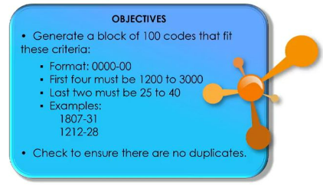

2854-27
1834-33
1866-33
2678-39
2020-39
2453-40
1907-33
2283-29
1412-32
1212-27
1456-34
1721-27
2370-31
2220-30
2012-37
2417-29
1226-35
2510-31
2204-35
1925-30
1582-25
1577-36
2819-30
2719-34
2874-28
1487-40
1903-27
1484-26
2153-27
2473-29
2328-32
1354-30
2550-26
2925-26
2454-33
1380-26
2395-25
2548-27
1759-31
1677-27
1825-26
2791-37
1977-38
2784-37
2567-35
1474-38
2384-32
2278-27
1248-26
2983-29
2892-38
2619-38
2165-34
1467-36
1797-33
2931-28
1620-32
2717-27
1860-36
2656-37
2286-28
1312-29
2780-31
2261-38
2269-36
1432-37
2053-28
1900-29
1703-35
2076-37
1664-37
1980-26
2827-37
2084-30
2602-32
2966-32
1884-39
2582-32
1998-37
2175-31
2368-39
2421-33
2199-27
1771-36
1930-40
1945-34
1982-38
2049-34
2580-34
1859-25
2243-35
2350-32
1933-26
1710-33
1235-27
2664-35
2314-29
2877-29
1511-40
1256-27

Chall2
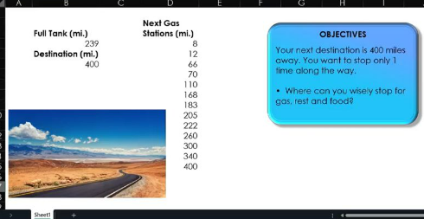

Full Tank (mi.) | 239
Destination (mi.) | 400
 |  | Current Tank Level | 239
Next Gas Stations (mi.) |  | Tank Level when station reached | Tank Level before refueling | Distance to destination | How much would I tank?
8 |  | 1 | 231 | 392 | 8
12 |  | 2 | 227 | 388 | 12
66 |  | 3 | 173 | 334 | 66
70 |  | 4 | 169 | 330 | 70
110 |  | 5 | 129 | 290 | 110
168 |  | 6 | 71 | 232 | 168
183 |  | 7 | 56 | 217 | 183
205 |  | 8 | 34 | 195 | 205
222 |  | 9 | 17 | 178 | 222
260 |  | 10 | -21 | 140 | 239
300 |  | 11 | -61 | 100 | 239
340 |  | 12 | -101 | 60 | 239
400 |  | 13 | -161 | 0 | 239

Chall3
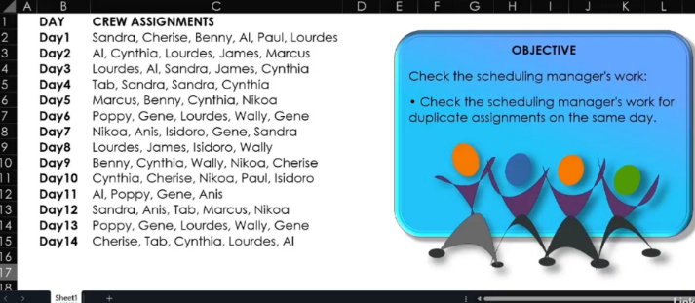

Day1 | Sandra, Cherise, Benny, Al, Paul, Lourdes | Sandra | Cherise | Benny | Al | Paul | Lourdes | Sandra | Cherise | Benny | Al | Paul | Lourdes | No duplicates
Day2 | Al, Cynthia, Lourdes, James, Marcus | Al | Cynthia | Lourdes | James | Marcus |  | Al | Cynthia | Lourdes | James | Marcus |  | No duplicates
Day3 | Lourdes, Al, Sandra, James, Cynthia | Lourdes | Al | Sandra | James | Cynthia |  | Lourdes | Al | Sandra | James | Cynthia |  | No duplicates
Day4 | Tab, Sandra, Sandra, Cynthia | Tab | Sandra | Sandra | Cynthia |  |  | Tab | Sandra | Sandra | Cynthia |  |  | Sandra
Day5 | Marcus, Benny, Cynthia, Nikoa | Marcus | Benny | Cynthia | Nikoa |  |  | Marcus | Benny | Cynthia | Nikoa |  |  | No duplicates
Day6 | Poppy, Gene, Lourdes, Wally, Gene | Poppy | Gene | Lourdes | Wally | Gene |  | Poppy | Gene | Lourdes | Wally | Gene |  | Gene
Day7 | Nikoa, Anis, Isidoro, Gene, Sandra | Nikoa | Anis | Isidoro | Gene | Sandra |  | Nikoa | Anis | Isidoro | Gene | Sandra |  | No duplicates
Day8 | Lourdes, James, Isidoro, Wally | Lourdes | James | Isidoro | Wally |  |  | Lourdes | James | Isidoro | Wally |  |  | No duplicates
Day9 | Benny, Cynthia, Wally, Nikoa, Cherise | Benny | Cynthia | Wally | Nikoa | Cherise |  | Benny | Cynthia | Wally | Nikoa | Cherise |  | No duplicates
Day10 | Cynthia, Cherise, Nikoa, Paul, Isidoro | Cynthia | Cherise | Nikoa | Paul | Isidoro |  | Cynthia | Cherise | Nikoa | Paul | Isidoro |  | No duplicates
Day11 | Al, Poppy, Gene, Anis | Al | Poppy | Gene | Anis |  |  | Al | Poppy | Gene | Anis |  |  | No duplicates
Day12 | Sandra, Anis, Tab, Marcus, Nikoa | Sandra | Anis | Tab | Marcus | Nikoa |  | Sandra | Anis | Tab | Marcus | Nikoa |  | No duplicates
Day13 | Poppy, Gene, Lourdes, Wally, Gene | Poppy | Gene | Lourdes | Wally | Gene |  | Poppy | Gene | Lourdes | Wally | Gene |  | Gene
Day14 | Cherise, Tab, Cynthia, Lourdes, Al | Cherise | Tab | Cynthia | Lourdes | Al |  | Cherise | Tab | Cynthia | Lourdes | Al |  | No duplicates

